spatial var classification
Spatial variation can be described based on the answers of these questions:
Which parameter to be measured per pixel?​
Build histogram, fit with Gaussian and get stdev value --> Global variation​
Create tiles, on each tile measure stdev, then average the stdevs --> Local variation​, i.e. how a parameter varies between pixels in close proximity
Count outliers based on a specific threshold
Generate defect map to show the spatial distribution of those outliers

Parameter​ | Global variation​ | Local variation​ | Count outliers​ | Defect map​
Pixel offset​ | DSNU1288, DSNU1288_row, DSNU1288_col​ | DSNU_local (32x32 tiles)​ | DSNU_outlier_pix, bright_pix, bright_col, bright_row​ | PlotBrightMap, PlotDSNUMap​
Pixel offset without BR correction​ | Col_fpn​ | Col_fpn_local (32 col tiles)​ | -​ | -​
Gain (light response)​ | PRNU1288, PRNU1288_row, PRNU1288_col​ | PRNU_local (32x32 tiles)​ | PRNU_outlier_pix, dead_pix, dead_col, dead_row​ | PlotDeadMap, PlotPRNUMap​
Dark current​ | DCNU​ | - | hot_pix_0/1/2, hot_cluster 2/3​ | PlotDCNUMap​

bold: can be done before the SN/DC analysis, defects are 'severe'
not bold: can be done only after SN/DC analysis, defects are acceptable to some extent

Example in HAS2: |  |  | In STAR1000:
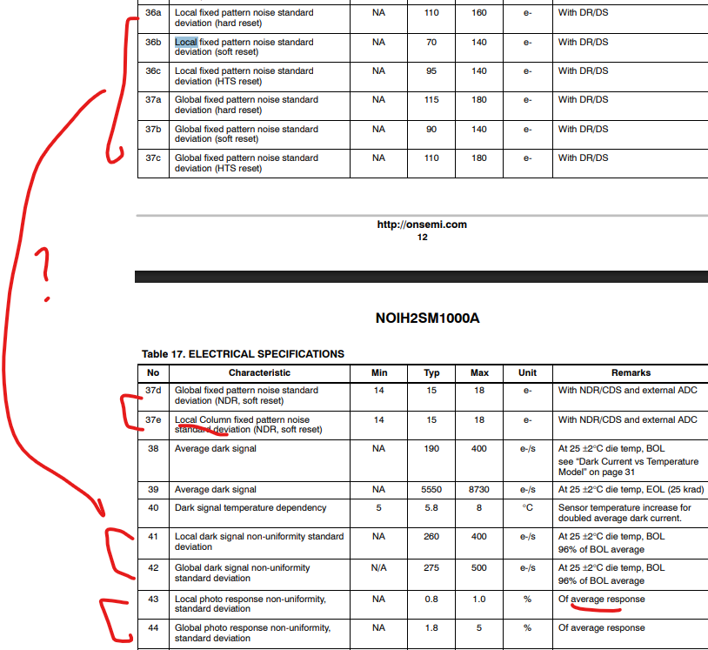
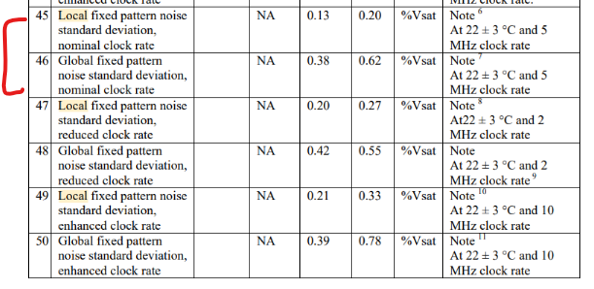

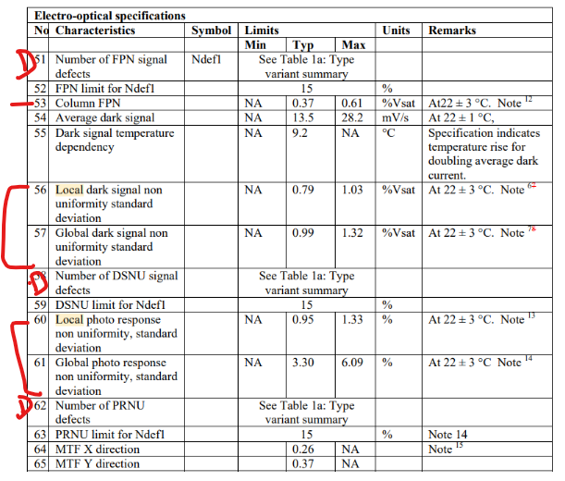

it describes spatial variations of 4 different parameters:
local/global FPN --> this fits more to our DSNU definition [e-]
local/global column FPN
local/global DSNU --> this fits more to our DCNU definition [e-/s]
local/global PRNU

outliers are not reported, maybe included only in their production test

 |  |  | it describes spatial variations of 4 different parameters:
 |  |  | local/global/outliers FPN --> here it is unclear what is the difference with DSNU?
 |  |  | column FPN
 |  |  | local/global/outliers DSNU
 |  |  | local/global/outliers PRNU

